Purpose
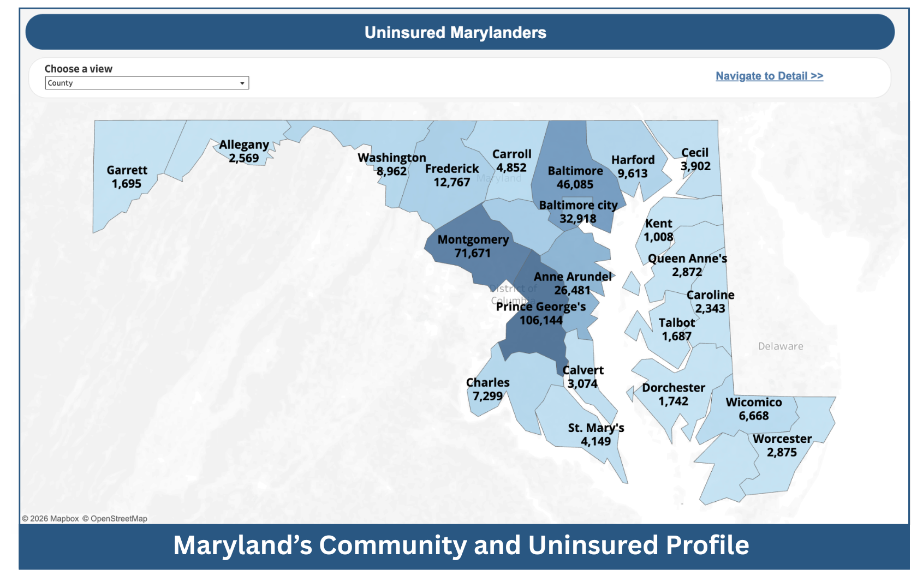
Maryland’s Community and Uninsured Profile Developed by the Maryland Health Benefit Exchange, this workbook provides information about health coverage in Maryland, one community at a time. It is built to support outreach, enrollment, planning, and policy work at the community level. Estimates are available statewide and by Census-defined ZIP code, county, Public Use Microdata Area (PUMA), congressional district, and state legislative district. ZIP code and county estimates also include a social vulnerability score.
Acknowledgement The workbook was inspired by Minnesota's Community and Uninsured Profile. Technical guidance was provided from the State Health Access Data Assistance Center (SHADAC) as part of the Robert Wood Johnson Foundation's State Health & Values Strategies Program.

How To Use
Provide Feedback!
How to use
View Profiles of the Uninsured and Community
This workbook shows characteristics of the uninsured across Maryland — statewide and by ZIP code, county, congressional district, and state legislative district (Senate and House).
Which tab do I need?
Tab | Answers the question
Uninsured Profile | "Tell me everything about one place."
ZIP Code Uninsured Rates | "Compare ZIP codes. Where is the need greatest?"
County Uninsured Rates | "Compare counties. Where is the need greatest?"
Data, Definitions, Notes | "What does this column mean? Where do the numbers come from?"
ZIP Codes with No Available Data | "Why isn't my ZIP code listed?"

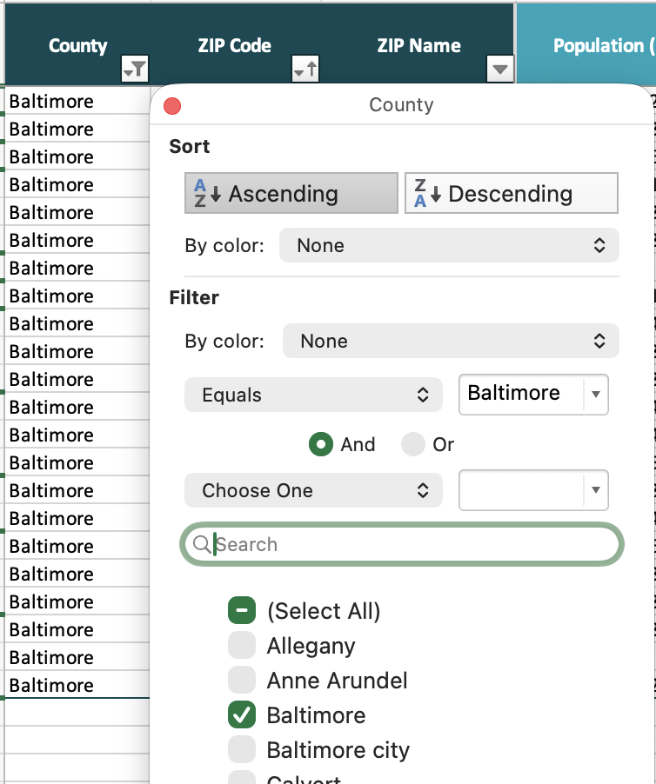
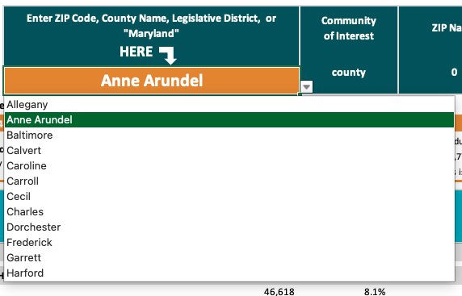
Find the profile for community of interest
Use this when you know the place: 1. Go to the Uninsured Profile tab. 2. In the orange cell (C4) under "Community of interest," type or select your community: County: enter the county name (e.g., Howard) ZIP code: enter the 5-digit code (e.g., 21740) Senate district: enter the number (e.g., 1) House district: enter the number and letter (e.g., 1A) Statewide: enter Maryland 3. The uninsured profile appears at the top of the tab; the community profile appears below it.

Compare ZIP codes to find where need is greatest
1. Go to the ZIP Code Uninsured Rates tab. 2. Narrow to your area: click the arrow in the County column header, uncheck (Select All), check the county you want, and click OK. 3. Rank the results: click the arrow on Uninsured (#) or Uninsured (%) and choose Ascending or Descending.
Compare counties to find where need is greatest
1. Go to the County Uninsured Rates tab. 2. Filter with the arrows in the County header, then click OK. 3. Sort by Uninsured (#) or Uninsured (%), largest to smallest.
Find your legislative district, If you don't know your Senate or House district, look it up with the Maryland Department of Planning tool, then return to the Uninsured Profile tab and enter the district:
https://planning.maryland.gov/Redistricting/Pages/2020/legiDist.aspx
Reading the numbers
Number vs. percent, they tell different stories. The ZIP codes and counties with the most uninsured people are not the same as those with the highest uninsured rate. A large suburban county can have thousands of uninsured residents at a low rate, while a small rural county can have a high rate but few people. Sort by Uninsured (#) to find where the most people are affected; sort by Uninsured (%) to find where the greatest share of the community is affected. Both views are useful, choose the one that matches your question. Level of Social Vulnerability (ZIP codes only) describes how a ZIP code compares to other Maryland ZIP codes on a set of social factors, grouped into four categories from "Least vulnerability" to "Most vulnerability." See the Data, Definitions, Notes tab for the full definition. Some ZIP codes have no data. Estimates for a ZIP code are withheld when they are too small or too uncertain to report reliably. This is expected, it affects a small share of Maryland's uninsured residents. The complete list, with the county and ZIP name, is on the ZIP Codes with No Available Data tab. |  | 